Summary
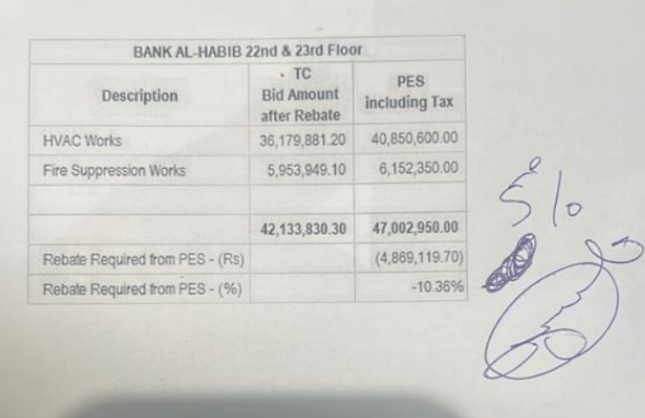
 |  |  |  | Bank Al-Habib Limited

HVAC & Fire Fighting Work |  |  |  | 6-Oct-23
22nd & 23rd Floor Centerpoint Karachi

SUMMARY OF RUNNING BILL NO 1

S.No | Description | Material | Labour | Amount
1 | HVAC 22nd Floor | 13,809,951 | 1,162,348 | 14,972,300
2 | HVAC 23rd Floor | 13,873,772 | 1,090,873 | 14,964,644
 | Total Amount HVAC |  |  | 29,936,944

3 | Fire Fighting 22nd Floor | 2,455,204 | 536,974 | 2,992,178
4 | Fire Fighting 23rd Floor | 2,074,932 | 444,978 | 2,519,910
 | Total Amount Fire Fighting |  |  | 5,512,088

 | Grand Total Amount | 32,213,859 | 3,235,173 | 35,449,032

